Top_Egyptian_Players_Goalscorer
 |  | Mohamed Salah
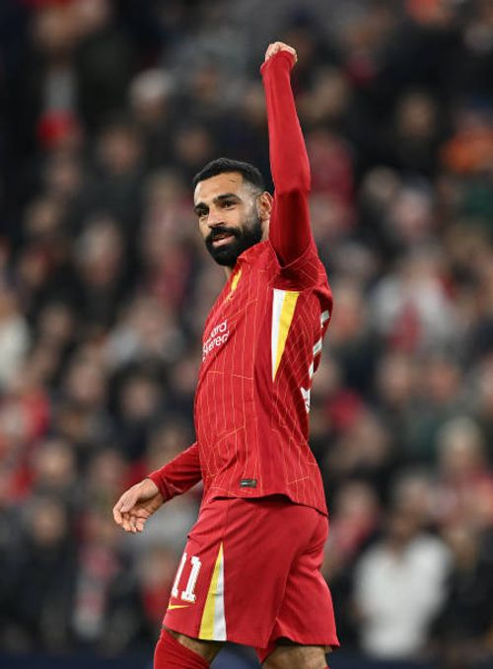
Player | Goals
Mohamed Salah | 221
Mohamed Zidan | 47
Omar Marmoush | 42
Mido | 33
Mostafa Mohamed | 21
Hany Ramzy | 15
Amr Zaki | 10
Trezeguet | 8
Ahmed Elmohamady | 6
Yasser Radwan | 5

